Sheet1
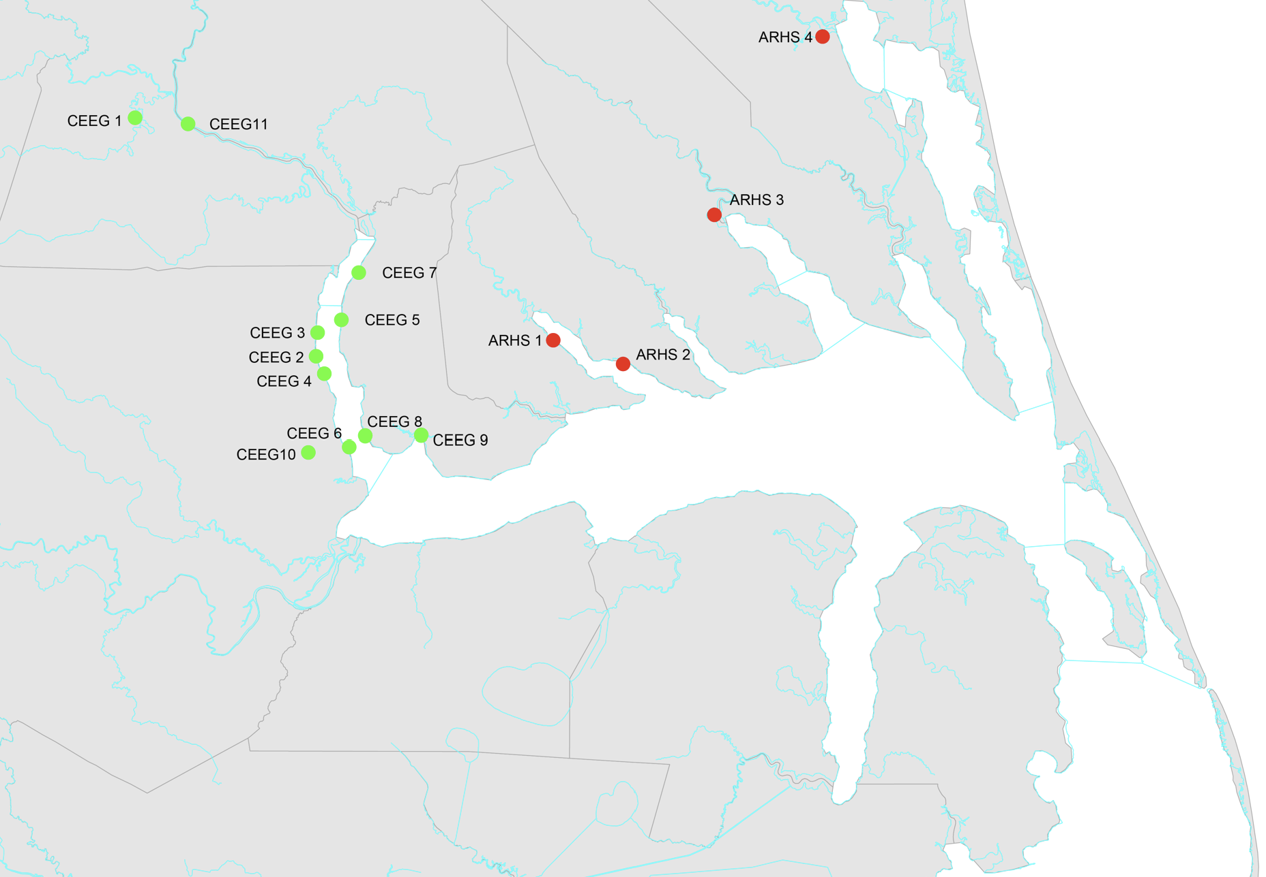
Location Description | Site | Street | Town | County | Zip | Latitude | Longitude
James Spaugh Property | ARHS 1 | 165 Riverside Dr | Herford | Perquimans | 27944 | 36.1609793 | -76.42828
Mamie Hoffer Property | ARHS 2 | 158E Camp Perry Rd | Hertford | Perquimans | 27944 | 36.13462595 | -76.33236
George Wood Park | ARHS 3 | US-158 | Elizabeth City | Camden | 27921 | 36.30023 | -76.20791
Justin Olds Property | ARHS 4 | 131 Springle Lane | Moyock | Currituk | 27958 | 36.49816 | -76.0594
Potecasi Creek | CEEG 1 | E. Mt. Tabor Ch. Rd. | Winton | Hertford | 27986 | 36.408024 | -77.002462
Point Comfort | CEEG 2 | 331 Point Comfort Rd | Colerain | Bertie | 27924 | 36.169458 | -76.751827
Indian Creek ( Arrowhead Beach) | CEEG 3 | 1901 Arapahoe Trail | Edenton | Chowan | 27932 | 36.23610 | -76.695387
Chowan Edenhouse Bridge Boat Launch | CEEG 4 | Wharf Landing Rd | Edenton | Chowan | 27932 | 36.055233 | -76.686425
Town of Edenton Waterfront | CEEG 5 | 510 S Broad St | Edenton | Chowan | 27932 | 36.055924 | -76.60952
Cheryl's Home | CEEG 6 | Rocky Hock Ldg | Rockyhock | Chowan | 27932 | 36.183649 | -76.71921
Bess Landing | CEEG 7 | Bess Landfing Road | Whites Beach | Bertie | 27924 | 36.1432 | -76.7539
Mt. Gould River Road | CEEG 8 | Mt. Gould River Road | Whites Beach | Bertie | 27924 | 36.123866 | -76.74263
Cypress Rd | CEEG 9 | 108 Cypress Rd | Merry Hill | Bertie | 27957 | 36.043092675 | -76.708444276
Salmon Creek | CEEG10 | Salmon Creek US-17 | Merry Hill | Bertie | 27957 | 36.0371117 | -76.76457564
Shoups Landing | CEEG11 | Shoups Landing Boat Ramp | Eure | Gates | 27935 | 36.401190507 | -76.92975137
Albemarle Sound | CEEG10 |  |  |  |  | 35.9659 | -76.6819

